E54_hpwh
Nestle Cagayan de Oro Factory | SCRF - E54 SCRF Piping works continuation |  |  |  |  |  |  |  | CDOF-CP-F-XX-XXX
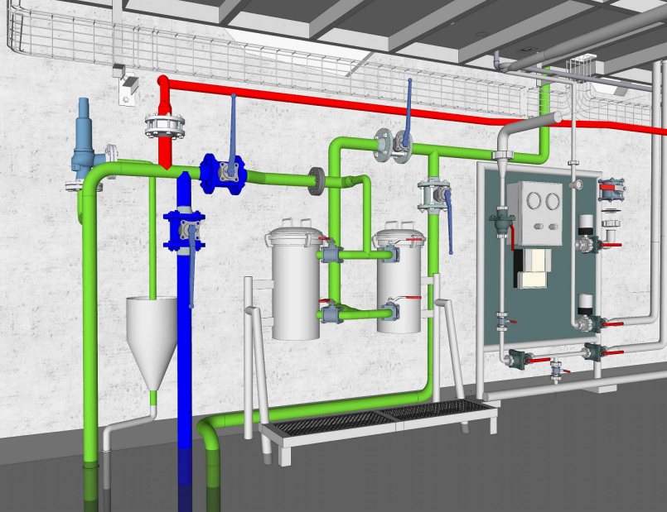

1
Piping works, connection on tie-in valves

2

Requirement | 1 | 2 | 3 | 4 | 5 | 6 | 7 | 8 | 9 | REMARKS
No present of foreign bodies inside newly installed pipe.

NOTES:
Performed By: |  |  | Assessed and Validated By: |  |  |  |  | Noted By:

COSTPLUS Representative |  |  | TBMC Site Engineer |  |  |  |  | NPI Project Engineer

